G7-101_Updated
CURRENT VS PLAN G7-101
FIELD/PLATORM : | G7 Field |  | CASING/TUBING | WT (ppf) |  | GRADE | THREAD | NO JOINT | LENGTH | DEPTH | MIN ID | MAX OD
WELL NAME : | G7-101 |  | 30" Conductor | 310 |  | X52 | Plain-end, BEV |  | 268 ft | 686 ft
RIG : | Ocean Epoch |  | 18-5/8" Casing | 87.5 |  | K55 | BTC |  | 1,974 ft | 2,392 ft
COMPLETION DATE : | Aug-06 |  | 13-3/8" Casing | 68 |  | N80 | K-Fox |  | 4,871 ft | 5,289 ft
WATER DEPTH : | 345 ft |  | 10-3/4" Casing | 55.5 |  | L80 | K-Fox |  | 865 ft | 1,283 ft
DFE : | 73 ft above MSL |  | 9-5/8" Casing | 47 |  | L80 | VamTop |  | 5,247 ft | 6,530 ft
THF : | N/A |  | 7" Liner | 26 |  | L80 | K-Fox |  | 2,219 ft | 8,495 ft
TD : | 8,584 ft |  | 7-5/8" Tubing | 33.7 |  | L80 | 13cr |  | 6,400 ft |  | 6.765 | 8.268
MAX ANGLE : | 88 deg. Horizontal Drain Hole
XMT/WH : | ABB Horizontal Tree Vetco Grey MS 700
CEMENT RECORD | TYPE |  |  |  |  |  |  | WEIGHT (ppg) |  | TOC | TREAT' P (psi)
30" Casing | Class G |  |  |  |  |  |  | 15.8
18-5/8" Casing | Class G |  |  |  |  |  |  | 12.6 + 15.8
13-3/8" Casing | Class G |  |  |  |  |  |  | 15.8 |  | 2,650 ft
9-5/8" Casing | Class G |  |  |  |  |  |  | 15.8 |  | 5,230 ft

CURRENT |  | PLAN |  |  | DEPTH |  | DESCRIPTION |  |  |  | MIN ID | MAX OD
 |  |  |  |  | ft-MDDF | ft-TVDDF
 |  |  |  |  | 418.00 | 418.00 | Tubing Hanger

515-745ft-MDDF
(230 ft)

 |  |  |  |  | 686.00 | 686.00 | 30" Conductor Shoe
Hi-Vis
745-1045 ft-MDDF

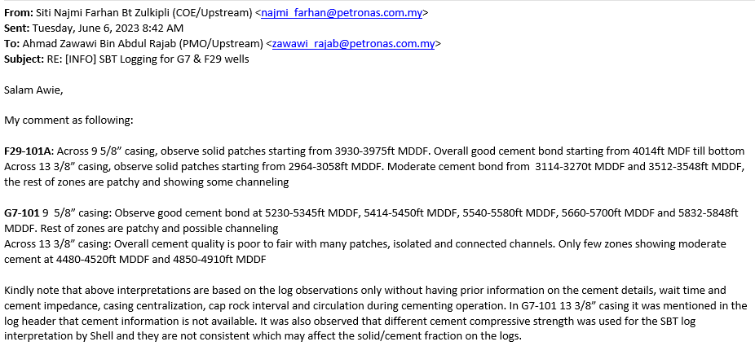
 |  |  |  |  | 1,249.00 |  | Halliburton SP-2 Tubing Retrievable Safety Valve (5.963 Profile) |  |  |  | 5.953 | 9.4
 |  |  |  |  | 1,283.00 | 1282.10 | 10-3/4" x 9-5/8" Swedge

MSD Shallow 1: 1,782 ft-MDDF

16" Hole Size
13-3/8" Casing TOC - 2650 ft-MDDF
 |  |  |  |  | 2,338.00 | 2261.30 | 18-5/8" Casing Shoe

MSD Shallow 2 & 3: 2,750 ft-MDDF

3001-3658
ft-MDDF
(657 ft)
Perforation Interval:
3,443-3,643ft-MDDF
(200 ft)
3,548-3,578 ft-MDDF (30ft)
3,597-3,608 ft-MDDF (11ft)
3,623-3,703 ft-MDDF (80ft)
 |  |  |  |  | 3,658.00 |  | 9-5/8" Bridge Plug
Shallow-1 3,708 ft-MDDF

MSD Carbonate: 4,967 ft-MDDF

4592-5249
ft-MDDF
(657 ft)
Perforation Interval:
5,025-5,225ft-MDDF
(200 ft)
 |  |  |  |  | 5,210.00 | 4670.50 | 13-3/8" Casing Shoe
5,090-5,351ft-MDDF
(261 ft)
12-1/4" Hole Size
9-5/8" Casing TOC - 5230 ft-MDDF

 |  |  |  |  | 5,240.00 |  | Proposed Tubing Cut Depth
 |  |  |  |  | 5,249.00 | 4692.50 | Halliburton TNT Production Packer |  |  |  | 5.79 | 8.305
 |  |  |  |  |  |  | 7-5/8" HEX Plug
 |  |  |  |  | 5,275.00 |  | R Nipple (5.625" Packing Bore) |  |  |  | 5.625 | 8.3

 |  |  |  |  |  |  | Overshot
 |  |  |  |  | 5,312.14 |  | Top of Stump
 |  |  |  |  | 5,319.00 | 4729.60 | Halliburton TNT Production Packer |  |  |  | 5.79 | 8.305

 |  |  |  |  | 5,355.00 |  | RN Nipple (5.625" Packing Bore) |  |  |  | 5.5 | 8.3
58 Degree

Shallow-2 5,864ft-MDDF

Shallow-3 6,042ft-MDDF

6,129-6,417ft-MDDF
(288 ft)
3
 |  |  |  |  | 6,365.00 | 5091.80 | Weatherford Liner Hanger Packer with L80 13 Cr 15 ft PBR. |  |  |  | 6.276 | 8.435
 |  |  |  |  | 6,374.00 |  | Mule Shoe
Top of Carbonate 6,496 ft-MDDF

 |  |  |  |  | 6,530.00 | 5117.00 | 10-3/4" x 9-5/8" Casing Shoe

 |  |  |  |  | 8,495.00 | 5216.00 | 7" Liner Shoe
 |  |  |  |  | 8,584.00 |  | TD

G7 trajectory
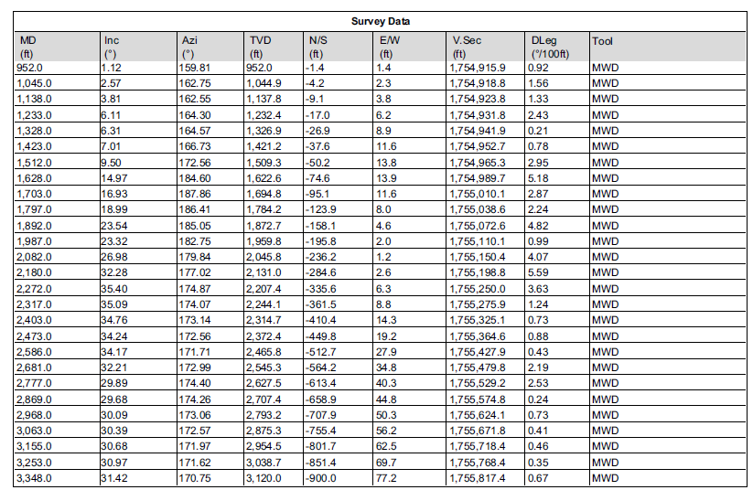
MD ft | TVD ft | Inc | Azi
952 | 951.939 | 1.12 | 159.81
1045 | 1044.89 | 2.57 | 162.75
1138 | 1137.74 | 3.81 | 162.55
1233 | 1232.38 | 6.11 | 164.3
1328 | 1326.82 | 6.31 | 164.57
1423 | 1421.18 | 7.01 | 166.73
1512 | 1509.25 | 9.5 | 172.56
1628 | 1622.57 | 14.97 | 184.6
1703 | 1694.3 | 18.93 | 187.86
1797 | 1783.2 | 18.99 | 186.41
1892 | 1871.71 | 23.54 | 185.05
1987 | 1958.88 | 23.32 | 182.75
2082 | 2044.86 | 26.98 | 179.84
2180 | 2130.01 | 32.28 | 177.02
2272 | 2206.42 | 35.4 | 174.87
2317 | 2243.17 | 35.09 | 174.07
2403 | 2313.68 | 34.76 | 173.14
2473 | 2371.37 | 34.24 | 172.56
2586 | 2464.82 | 34.17 | 171.71
2681 | 2544.32 | 32.21 | 172.99
2777 | 2626.56 | 29.89 | 174.4
2869 | 2706.41 | 29.68 | 174.26
2968 | 2792.25 | 30.09 | 173.06
3063 | 2874.32 | 30.39 | 172.57
3155 | 2953.56 | 30.68 | 171.97
3253 | 3037.72 | 30.97 | 171.62
3348 | 3118.98 | 31.42 | 170.75
3443 | 3200.12 | 31.26 | 168.44
3534 | 3278.22 | 30.49 | 163.86
3633 | 3364.06 | 29.27 | 159.52
3727 | 3446.36 | 28.51 | 155.3
3822 | 3530.2 | 27.59 | 150.26
3917 | 3614.59 | 27.09 | 143.94
4012 | 3698.98 | 27.58 | 136.86
4108 | 3783.91 | 27.99 | 131.52
4203 | 3867.81 | 27.96 | 127.56
4298 | 3951.53 | 28.44 | 123.99
4392 | 4033.59 | 29.94 | 118.7
4490 | 4117.92 | 31.3 | 111.75
4580 | 4194.16 | 32.89 | 106.26
4678 | 4275.76 | 34.37 | 101.7
4773 | 4354.64 | 33.37 | 96.92
4868 | 4432.17 | 37.2 | 93.78
4961 | 4504.01 | 41.61 | 88.36
5058 | 4573.71 | 46.48 | 84.26
5153 | 4635.5 | 52.33 | 83.3
5278 | 4706.95 | 57.91 | 83.17
5373 | 4755.73 | 60.29 | 82.29
5466 | 4800.19 | 62.59 | 81.62
5561 | 4842.64 | 64.32 | 79.84
5658 | 4882.71 | 66.88 | 78.11
5754 | 4918.71 | 69.07 | 76.41
5948 | 4986.05 | 70.31 | 72.9
6038 | 5015.11 | 72.01 | 71.74
6134 | 5041.42 | 76.17 | 70.07
6228 | 5062.62 | 77.76 | 69.1
6320 | 5081.4 | 78.68 | 68

